Sheet1
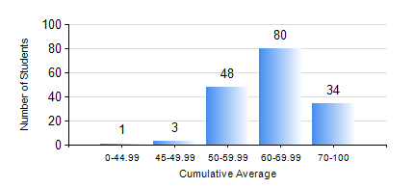
 |  |  | KWAME NKRUMAH UNIVERSITY OF SCIENCE AND TECHNOLOGY, KUMASI Department of Civil Engineering

 |  |  | BSC. CIVIL ENG.

 |  |  | COMPREHENSIVE RECORD OF EXAMINATION RESULTS

 |  |  | RESULTS OF YEAR 4 SECOND SEMESTER, 2018/2019 ACADEMIC YEAR

 | Sn | Course Code |  | Course Name | Credit Hours | Min. Mark | Max. Mark | Avg. Mark | Std. Dev. | No. Passed | No. Trailed | No. (Df) | No. (I) | No. (I*) | No. Tagged(I,I*,Df) | Total
 | 0. |  |  |  |  |  |  | 0 | 0 | 0 | 0 | 0 | 0 | 0 | 0 | 4
 | 1. | CE 456 |  | STRUCTURAL DYNAMICS | 3 | 40 | 98 | 60 | 14.77 | 74 | 0 | 0 | 0 | 0 | 0 | 74
 | 2. | CE 458 |  | WATER RESOURCES ENGINEERING II | 3 | 27 | 91 | 73 | 10.53 | 77 | 1 | 0 | 0 | 0 | 0 | 78
 | 3. | CE 462 |  | CONSTRUCTION MANAGEMENT | 3 | 19 | 87 | 65 | 11.39 | 160 | 2 | 0 | 0 | 0 | 0 | 162
 | 4. | CE 464 |  | ENVIRONMENTAL QUALITY ENGINEERING II | 3 | 21 | 92 | 74 | 9.81 | 105 | 1 | 0 | 0 | 0 | 0 | 106
 | 5. | CE 468 |  | TRANSPORTATION ENGINEERING | 3 | 22 | 88 | 59 | 12.92 | 140 | 2 | 0 | 0 | 0 | 0 | 142
 | 6. | CE 476 |  | SYSTEMS ENGINEERING II | 3 | 40 | 100 | 69 | 14.71 | 26 | 0 | 0 | 0 | 0 | 0 | 26
 | 7. | CE 478 |  | GROUND ENGINEERING | 3 | 33 | 81 | 59 | 10.96 | 60 | 2 | 0 | 0 | 0 | 0 | 62
 | 8. | CE 498 |  | PROJECT | 4 | 20 | 85 | 72 | 6.78 | 161 | 1 | 0 | 0 | 0 | 0 | 162

